IV FOB
COMMERCIAL INVOICE
Shipper/Exporter |  |  |  | Invoice No. | TYVN2026-22
TAE IL VN COMPANY LIMITED |  |  |  | Date of Invoice | 13/07/2026
PHU TAI II HAMLET, AN THANH COMMUNE, HAI PHONG CITY, VIET NAM
TEL: +84.02203950668
Consignee |  |  |  | L/C NO&DATE/ PAYMENT:
TAE IL TRADING CO.,LTD |  |  |  | T/T
7F 715, DAERYUNG TECHNO TOWN 3 CHA GASAN-DONG GEUMCHEON-GU,SEOUL,KOREA
TEL : 02-858-0150/ FAX : 02-858-0152
Notify Party/applicant |  |  |  | TERM OF DELIVERY AND PAYMENT :
TAE IL TRADING CO.,LTD |  |  |  | FCA HANOI, VIETNAM
7F 715, DAERYUNG TECHNO TOWN 3 CHA GASAN-DONG GEUMCHEON-GU,SEOUL,KOREA
Port of Loading |  | Final Destination |  | *MADE IN VIET NAM
HANOI, VIETNAM |  | INCHEON , KOREA
Carrier
BY AIR
Vessel |  | Departure date
KJ374 |  | 15/07/2026

Description | Style No. | Quantity (PCS) | Unit | Fob /Price | Amount | HS CODE
WOMEN'S PANTS | BF6821C13 | 621 | PCS | $11.91 | $7,396.11 | 62046200
TOTAL |  | 621 |  |  | $7,396.11



 |  | Signed by:
 |  | TAE IL VN COMPANY LIMITED

DETAIL PACKING
DETAIL PACKING LIST(태일비나)

Air |  |  |  |  |  |  |  |  |  |  | ETD:2026.07.14
구분 | STYLE NO | COLOR | BOX | 25 | 26 | 27 | 28 | 29 | 소계 | 계 | 비 고
Air | BF6821C13 | IV | BOX |  | 51 | 95 | 98 |  | 244
 |  | Y/BR | BOX |  | 96 | 110 | 169 |  | 375
 |  | IV | BOX |  | 4 | 4 | 4 |  | 12 | 631
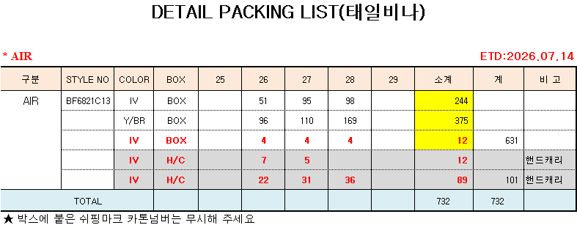
 |  |  |  |  |  |  |  |  | - | -
 |  |  |  |  |  |  |  |  | - | -
 |  |  |  |  |  |  |  |  | - | -
 |  |  |  |  |  |  |  |  | - | -
 |  |  |  |  |  |  |  |  | - | -
 |  |  |  |  |  |  |  |  | - | -
 |  |  |  |  |  |  |  |  | - | -
 |  |  |  |  |  |  |  |  | -
 |  |  |  |  |  |  |  |  | - | -
TOTAL |  |  |  |  |  |  |  |  | 631 | 631
 |  |  |  |  |  |  |  |  | SPL | #REF!
 |  |  |  |  |  |  |  |  | 계 | #REF!

